Staff welfare
Section Ref |  | Infectious diseases |  |  |  |  | 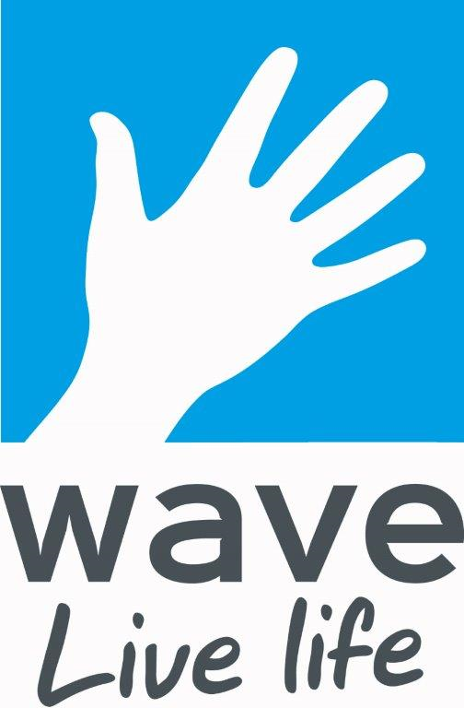

Assessment Type |  | Specific hazard

Assessment Title |  | Covid-19 - Staff welfare

Documents used in support of this assessment |  | HMG Guidance; WHO Guidance, HSENI Model

People at risk |  | Staff, members, non-member customers, contractors, other facility visitors

Task |  | Disease control measures

Name of Centre/Facility |  | Wave Leisure Organisation

Ref | Hazards Identified | How might people be harmed | Control Measures in Place | PLR | PSR | RRN | Further controls measures (risk reduction action plan) | PLR | PSR | RRN

 |  | Staff welfare
CV-ST/001 | Failure to adapt practices and processes to manage the spread of Covid-19 | Failure to maintain social distancing guidelines in staff room and contact with contaminated surfaces and objects | All staff areas have been assessed and a maximum number of staff permitted per room has been set. This is noted on the door of each staff area. Some offices have had desks turned to reduce people breathing over each other. The 1m+ distancing rule is applied at all times. Any items used will be cleaned withdisinfectant immediately after being use after used. Staff have been asked to bring in any crockery, cups etc. for their own use, and to take them home at the end of the shift. Breaks are being staggered where possible to reduce pressure on staff areas. Staff are being advised to use an outdoor area when possible. Before leaving, staff will sanitise all surfaces and wash hands thoroughly. All staff have been trained in these procedures. Personal lockers can only be used by that member of staff. Any other lockers used have to be cleared out and cleaned at the end of a shift. | 1 | 3 | 3 | No further action required | 0 | 0 | 0
CV-ST/002 |  | Failure to maintain social distancing guidelines with vulnerable persons and contact with contaminated surfaces and objects | Any staff who are vulnerable or at risk from Covid-19 will discuss this with the Head of HR before returning to work. | 1 | 3 | 3 | No further action required | 0 | 0 | 0
CV-ST/003 |  | Reducing the risk of transmission by minimising the number of staff working togather | Shifts have been arranged to ensure the minimum number of people needed on site to operate safely and effectively as a facility. Where possible, non-operational staff will work from home. These staff will have regular contact with their line manager. Equipment will be provided for people to work at home safely and effectively. Lone working arrangements consider those people working by themselves. | 1 | 3 | 3 | No further action required | 0 | 0 | 0
CV-ST/004 |  | Failure to maintain social distancing guidelines during access and egress and contact with contaminated surfaces and objects | The following have been considered and communicated to the relevant staff: Staggering arrival and departure times at work to reduce crowding Not to share vehicles. Asking staff to come to work in their uniform to reduce the amount of personal belongings that are left in staff areas. Using markings and introducing one-way flow at entry and exit points where possible. Providing handwashing facilities, plus hand sanitiser outside staff areas and for reception staff. | 1 | 3 | 3 | No further action required | 0 | 0 | 0
CV-ST/005 |  | Failure to maintain social distancing guidelines moving around the workplace and contact with contaminated surfaces and objects | Non-essential trips are being discouraged within buildings and sites, access is restricted to some areas, use of radios, telephones and MS Teams has been encouraged. Devices should be regularly cleaned between use. Shifts have been planned so staff are working in the same groups where possible, and at the same site where possible. There are one-way flows through buildings, with a protocol for when it is necessay for staff to move in the opposite direction . Maximum occupancy has changed for lifts to 1 person or family group. Hand sanitiser has been provided by the lift. | 1 | 3 | 3 | No further action required | 0 | 0 | 0
CV-ST/006 |  | Failure to maintain social distancing guidelines during meetings and contact with contaminated surfaces and objects | Meetings will take place using technology where possible, with MS Teams being the preferred option. Where staff do have to meet, only staff who are necessary for that meeting will be asked to attend, and social distancing will be observed. Any necessary meetings will take place ir rooms that are ventilated, or outdoors if weather permits. Hand sanitiser will be available in staff areas for any meetings that have to take place. | 1 | 3 | 3 | No further action required | 0 | 0 | 0
CV-ST/007 |  | Failure to maintain social distancing guidelines during training and contact with contaminated surfaces and objects | Staff training is planned in advance to ensure staff are briefed on social distancing before they arrive, and that the facility is set up to ensure social distancing can be observed. | 1 | 3 | 3 | No further action required | 0 | 0 | 0
CV-ST/008 |  | Loss of team - staff present with COVID-19 symptoms | Staff with Covid-19 symptoms will be asked to stay at home and follow the self-isolation guidance. Anyone showing any symptoms at work will be asked to go home immediately. | 1 | 3 | 3 | No further action required

Date of assessment: |  | 20/07/2020 | Assessor: | Fred Furner
1st Review date |  | 02/12/2020 | Assessor: | Fred Furner
2nd Review date |  |  | Assessor:

